file
DKNY_WATCHES
IMAGE | PRODUCT CODE | AVAILABLE QTY | RETAIL PRICE | EAN | ORDER QTY | TOTAL ORDER
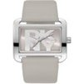 | DK1L001L0015 | 16 | 119.00 € | 4894626296536
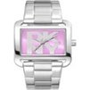 | DK1L001M0035 | 10 | 129.00 € | 4894626296550
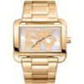 | DK1L001M0045 | 6 | 149.00 € | 4894626296567
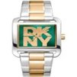 | DK1L001M0065 | 20 | 149.00 € | 4894626296581
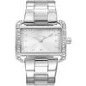 | DK1L003M0015 | 16 | 139.00 € | 4894626296413
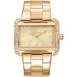 | DK1L003M0025 | 23 | 159.00 € | 4894626296420
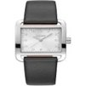 | DK1L004L0015 | 25 | 119.00 € | 4894626296314
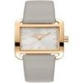 | DK1L004L0025 | 32 | 129.00 € | 4894626296321
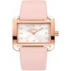 | DK1L004L0035 | 11 | 129.00 € | 4894626296338
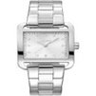 | DK1L004M0045 | 36 | 129.00 € | 4894626296345
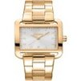 | DK1L004M0055 | 85 | 149.00 € | 4894626296352
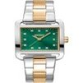 | DK1L004M0075 | 54 | 149.00 € | 4894626296376
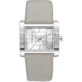 | DK1L008L0015 | 49 | 119.00 € | 4894626297885
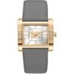 | DK1L008L0025 | 41 | 129.00 € | 4894626297892
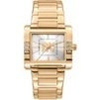 | DK1L008M0065 | 19 | 149.00 € | 4894626297939
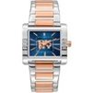 | DK1L008M0095 | 23 | 159.00 € | 4894626297960
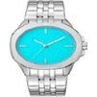 | DK1L012M0045 | 28 | 129.00 € | 4894626298103
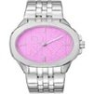 | DK1L012M0055 | 30 | 129.00 € | 4894626298110
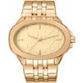 | DK1L012M0065 | 15 | 149.00 € | 4894626298127
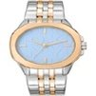 | DK1L012M0095 | 31 | 149.00 € | 4894626298158
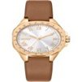 | DK1L013L0025 | 69 | 139.00 € | 4894626298660
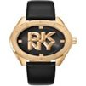 | DK1L016L0025 | 21 | 129.00 € | 4894626297984
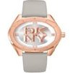 | DK1L016L0035 | 77 | 129.00 € | 4894626297991
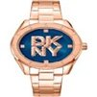 | DK1L016M0075 | 27 | 159.00 € | 4894626298035
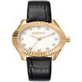 | DK1L017L0025 | 19 | 139.00 € | 4894626297281
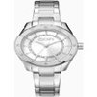 | DK1L018M0015 | 30 | 119.00 € | 4894626297113
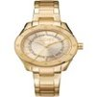 | DK1L018M0035 | 61 | 139.00 € | 4894626297137
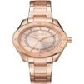 | DK1L018M0045 | 28 | 149.00 € | 4894626297144
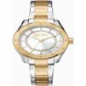 | DK1L018M0055 | 50 | 139.00 € | 4894626297151
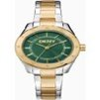 | DK1L018M0065 | 7 | 139.00 € | 4894626297168
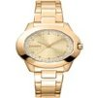 | DK1L021M0055 | 12 | 159.00 € | 4894626297229
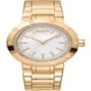 | DK1L023M0035 | 17 | 159.00 € | 4894626298851
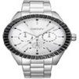 | DK1L027M0035 | 35 | 179.00 € | 4894626299438
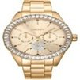 | DK1L027M0045 | 67 | 199.00 € | 4894626299445
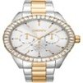 | DK1L027M0075 | 61 | 199.00 € | 4894626299476
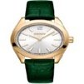 | DK1L029L0025 | 12 | 139.00 € | 4894626297373
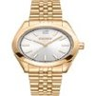 | DK1L029M0055 | 77 | 159.00 € | 4894626297403
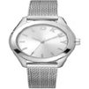 | DK1L032M0015 | 38 | 109.00 € | 4894626297533
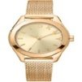 | DK1L032M0025 | 86 | 129.00 € | 4894626297540
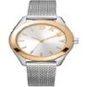 | DK1L032M0045 | 46 | 119.00 € | 4894626297564
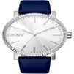 | DK1L034L0015 | 23 | 119.00 € | 4894626300080
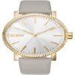 | DK1L034L0025 | 25 | 129.00 € | 4894626300097
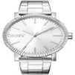 | DK1L034M0035 | 5 | 129.00 € | 4894626300103
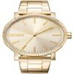 | DK1L034M0045 | 15 | 149.00 € | 4894626300110
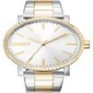 | DK1L034M0075 | 7 | 149.00 € | 4894626300141
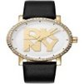 | DK1L035L0025 | 17 | 139.00 € | 4894626298219
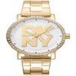 | DK1L035M0055 | 102 | 159.00 € | 4894626298240
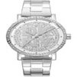 | DK1L035M0205 | 12 | 149.00 € | 4894626298172
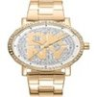 | DK1L035M0215 | 113 | 169.00 € | 4894626298189
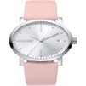 | DK1L036L0015 | 16 | 119.00 € | 4894626299988
 | DK1L036L0025 | 68 | 129.00 € | 4894626299995
 | DK1L036L0035 | 8 | 129.00 € | 4894626300004
 | DK1L037M0035 | 52 | 129.00 € | 4894626299605
 | DK1L037M0055 | 12 | 119.00 € | 4894626299629
 | DK1L043M0055 | 23 | 159.00 € | 4894626296901
 | DK1L053M0025 | 103 | 149.00 € | 4894626297601
 | DK1L055L0025 | 29 | 159.00 € | 4894626299186
 | DK1L055M0055 | 52 | 189.00 € | 4894626299216
 | DK1L055M0065 | 26 | 189.00 € | 4894626299223
 | DK1L055M0075 | 38 | 189.00 € | 4894626299230
 | DK1L066L0015 | 31 | 149.00 € | 4894626300509
 | DK1L066L0035 | 31 | 159.00 € | 4894626300523
 | DK1L066M0045 | 65 | 159.00 € | 4894626300530
 | DK1L066M0065 | 116 | 179.00 € | 4894626300554
 | DK1L066M0085 | 63 | 179.00 € | 4894626300578
 | DK1L073M0015 | 47 | 159.00 € | 4894626300295
 | DK1L073M0025 | 109 | 189.00 € | 4894626300301
 | DK1L073M0035 | 70 | 189.00 € | 4894626300318
 | DK1L073M0045 | 85 | 189.00 € | 4894626300325
 | DK1L078M0015 | 57 | 179.00 € | 4894626299148
 | DK1L078M0025 | 150 | 199.00 € | 4894626299155
 | DK1L078M0035 | 29 | 199.00 € | 4894626299162
 |  | 3009 |  |  | 0 | 0.00 €

